ورقة1
Defect # | Status | Title | Tested on Version | TestCase Id | Steps to Reproduce | Expected Results | Actual Results | Attachments | Affected Devices | Network | Priority | Severity | Impact
#1 | Open | user is able to make a transfer from an empty account | 1.16.0 | NT4 | 1- tap on the double arrow icon in the header 2- enter a valid amount in the transfer amount input 3- choose to transfer from cash to payment card 4- tap on add transfer | an error message states that you cannot make a transfer from an empty account | transfer is completed and the balance of the account to transfer from becomes with minus value | 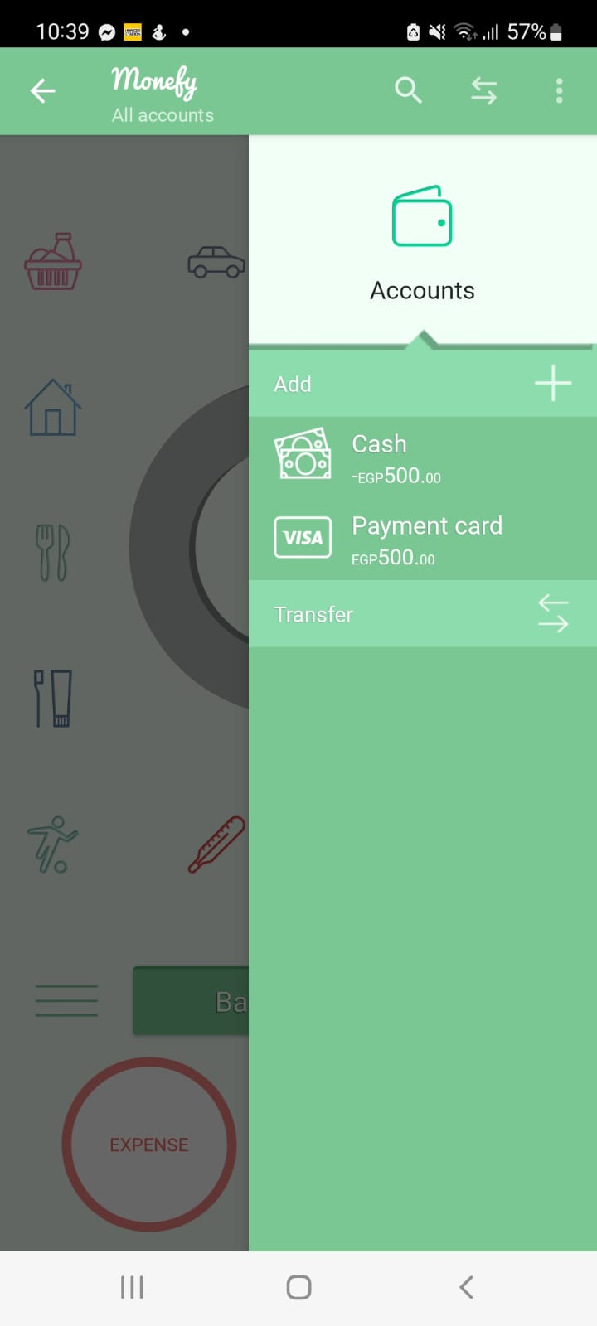 | Samsung Galaxy A72 Android Version 12 | Wifi | High | high
#2 | Open | the claim your offer button in the premium offer screen, appears on top of reviews when clicking on new expenses & income categories | 1.16.0 | NC1 NC2 CC1 | 1- tap on the upper right kebab menu icon 2- tap on categories 3- tap on the addition icon [+] in the expenses section ------------- 1- tap on the upper right kebab menu icon 2- tap on categories 3- tap on the addition icon [+] in the income section ------------- 1- tap on the upper right kebab menu icon 2- tap on currencies | claim your offer button appears under the review text | the button appears on top of the review text | 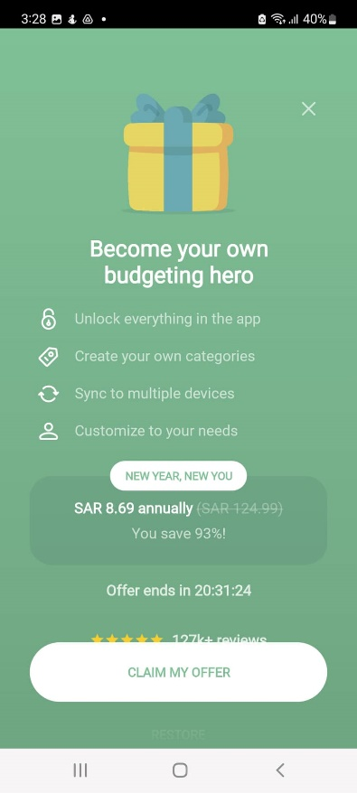 | Samsung Galaxy A72 Android Version 12 | Wifi | low | low | UI inconvenient
#3 | Open | at the first launch of the app, the "calim your offer" button appears on top of restore button | 1.16.0 |  | install and launch app | claim your offer button appears above restore button | the button appears on top of the restore button | 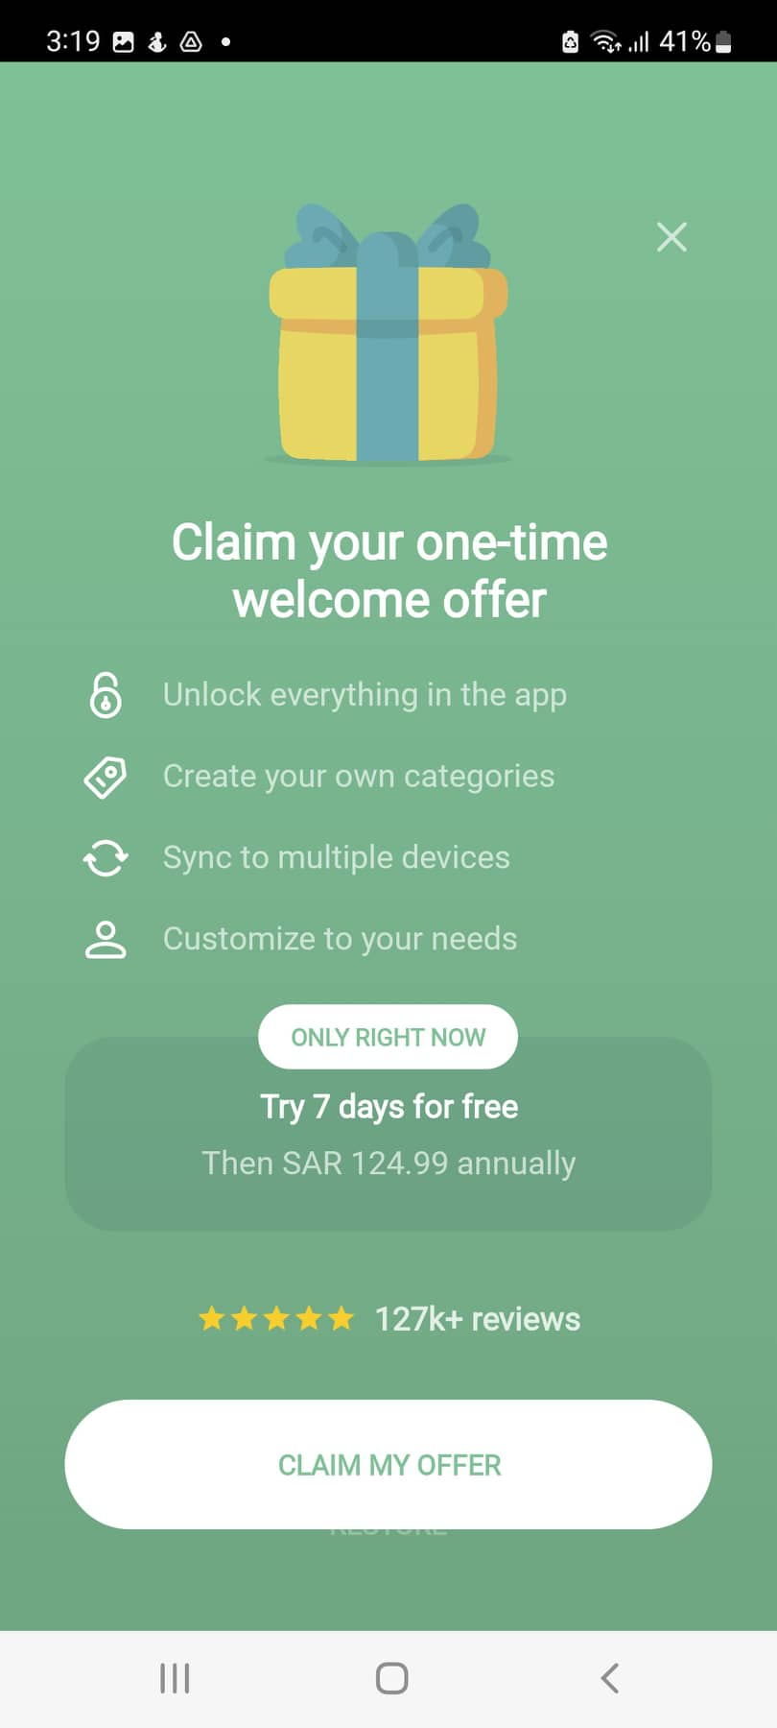 | Samsung Galaxy A72 Android Version 12 | Wifi | low | low | UI/UX inconvenient
#4 | Open | app doesn't rotate to landscape mode | 1.16.0 | LM | 1- enable the auto-rotation feature from the quick setting icons 2-rotate the phone | app should switch to landscape mode | app doesn’t rotate |  | Samsung Galaxy A72 Android Version 12 | wifi | low | low | UI/UX inconvenient
#5 | Open | in multi-screen mode, scroll down is disabled in the right side-menu | 1.16.0 |  | 1- minimize the app to split screen 2- open the right side menu 3- scroll down from the menu | the scroll down should be enabled and the lower buttons in it must appear | scroll down is disabled | 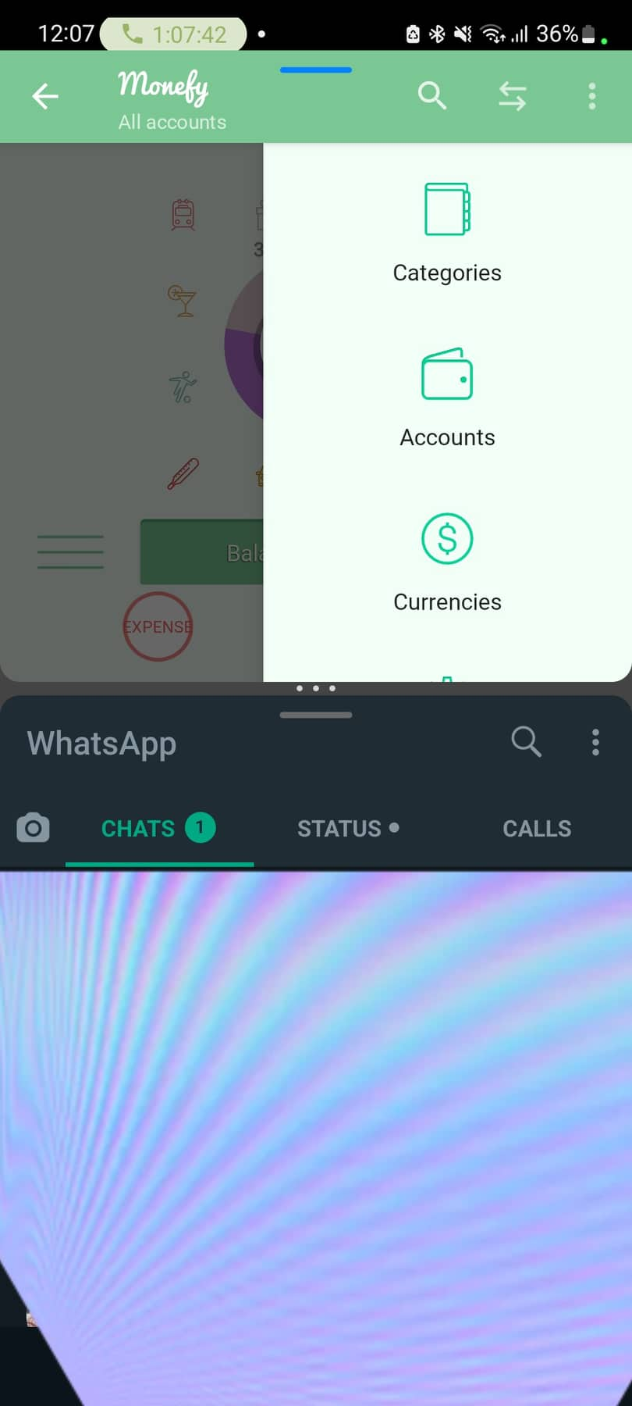 | Samsung Galaxy A72 Android Version 12 | wifi | medium | medium | UI/UX inconvenient
#6. | Open | allows coping Purchase ID while the user hasn't purchased | 1.16.0 |  | 1- open the right side menu 2- open setting 3- tap on copy purchase ID | error message states that user has not purchased the premium version yet | pop up message stating the purchase ID is copied | 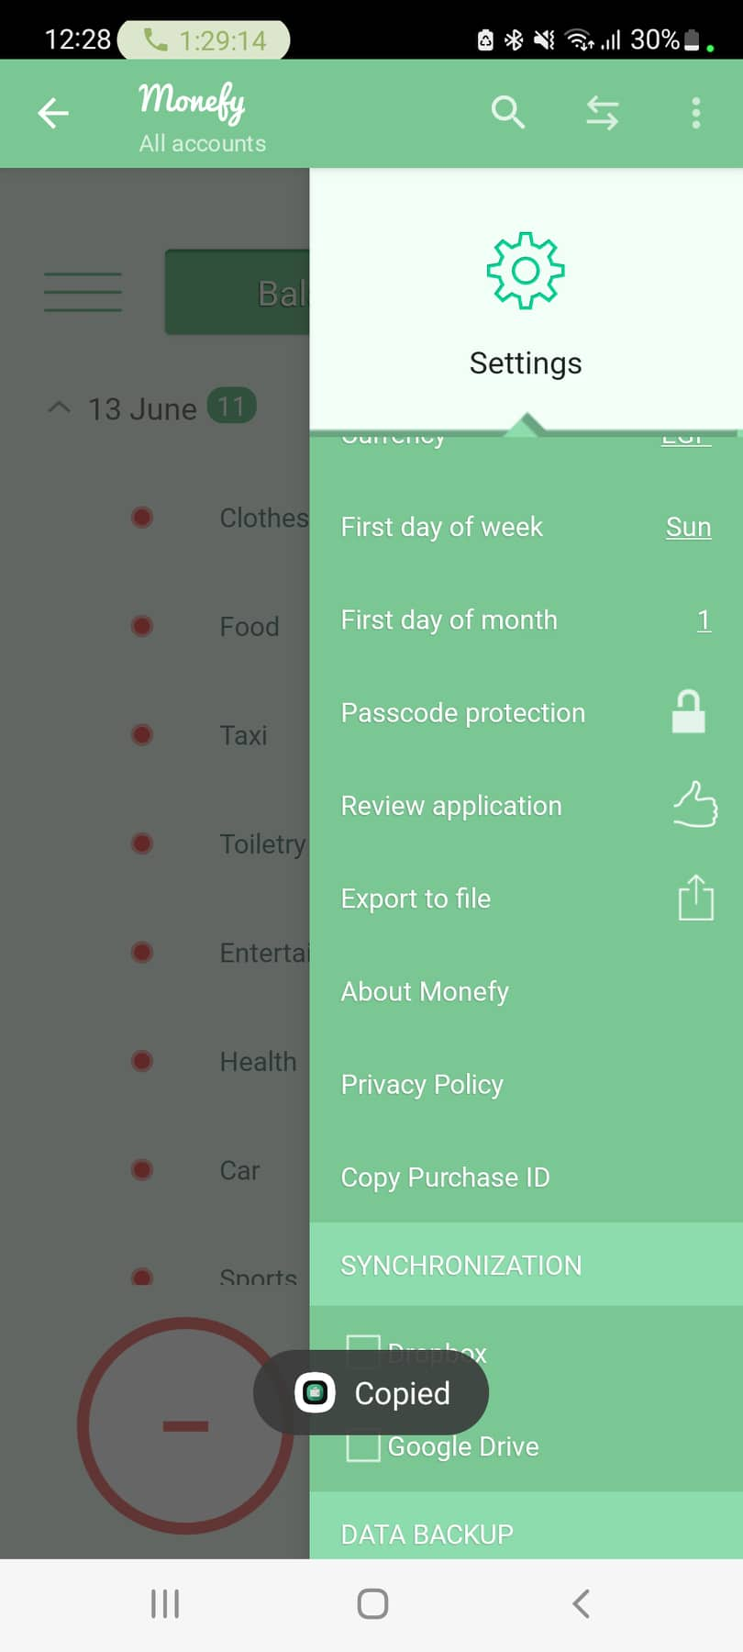 | Samsung Galaxy A72 Android Version 12 | wifi | low | low

